Sheet1
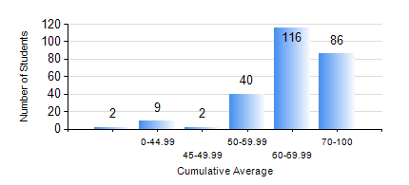
 |  |  | KWAME NKRUMAH UNIVERSITY OF SCIENCE AND TECHNOLOGY, KUMASI Department of Computer Engineering

 |  |  | BSC. COMPUTER ENG.

 |  |  | COMPREHENSIVE RECORD OF EXAMINATION RESULTS

 |  |  | RESULTS OF YEAR 1 SECOND SEMESTER, 2020/2021 ACADEMIC YEAR

 | Sn | Course Code |  | Course Name | Credit Hours | Min. Mark | Max. Mark | Avg. Mark | Std. Dev. | No. Passed | No. Trailed | No. (Df) | No. (I) | No. (I*) | No. Tagged(I,I*,Df) | Total
 | 0. |  |  |  |  |  |  | 0 | 0 | 0 | 0 | 0 | 0 | 0 | 0 | 4
 | 1. | COE 152 |  | BASIC ELECTRONICS | 3 | 0 | 98 | 70 | 12.7 | 245 | 5 | 0 | 1 | 0 | 1 | 251
 | 2. | COE 162 |  | PROGRAMMING AND PROBLEM SOLVING | 2 | 0 | 95 | 61 | 15.61 | 239 | 10 | 0 | 2 | 0 | 2 | 251
 | 3. | COE 164 |  | INTRODUCTION TO MATLAB AND LABVIEW | 2 | 0 | 96 | 74 | 14.91 | 245 | 5 | 0 | 1 | 0 | 1 | 251
 | 4. | EE 156 |  | ELECTRICAL ENG. DRAWING | 2 | 0 | 93 | 72 | 12.65 | 245 | 5 | 0 | 1 | 0 | 1 | 251
 | 5. | EE 172 |  | ELECTRICAL MACHINES | 3 | 0 | 95 | 63 | 14.15 | 244 | 5 | 0 | 2 | 0 | 2 | 251
 | 6. | ENGL 158 |  | COMMUNICATION SKILLS II | 2 | 0 | 79 | 61 | 11.1 | 244 | 6 | 0 | 1 | 0 | 1 | 251
 | 7. | MATH 152 |  | CALCULUS WITH ANALYSIS | 4 | 0 | 86 | 59 | 14.15 | 242 | 8 | 0 | 1 | 0 | 1 | 251
 | 8. | ME 166 |  | APPLIED THERMODYNAMICS | 2 | 0 | 96 | 70 | 14.41 | 245 | 5 | 0 | 1 | 0 | 1 | 251

